Cronbach Alpha
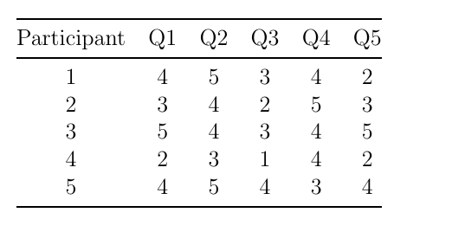

No | Q1 | Q2 | Q3 | Q4 | Q5 | Total
1 | 4 | 5 | 3 | 4 | 2 | 18
2 | 3 | 4 | 2 | 5 | 3 | 17
3 | 5 | 4 | 3 | 4 | 5 | 21
4 | 2 | 3 | 1 | 4 | 2 | 12
5 | 4 | 5 | 4 | 3 | 4 | 20
 |  |  |  |  |  | 12.3
variance | 1.3 | 0.7 | 1.3 | 0.5 | 1.7 | 5.5

 |  |  | K | 5
 |  |  | Var(s) | 12.3
 |  |  | Sum(s) | 5.5
 |  |  | Alpha | 0.69105691057

Test - Retest
 | First (x) | Second (y) | x squared | y squared | xy
 | 75 | 72 | 5625 | 5184 | 5400
 | 80 | 82 | 6400 | 6724 | 6560
 | 85 | 83 | 7225 | 6889 | 7055
 | 70 | 68 | 4900 | 4624 | 4760
 | 90 | 88 | 8100 | 7744 | 7920
Sum | 400 | 393 | 32250 | 31165 | 31695

$$r= \frac{5\left(31695\right)−(400)(393)}{\sqrt{\left[5(32250)−{400}^{2}\right]\left[5(31165)−{393}^{2}\right]}}$$
$$r= \frac{n(\sum{xy) −(\sum{x})(\sum{y)}}}{\sqrt{\left[n\sum{x^{2}}−{(\sum{x})}^{2}\right]\left[n\sum{y^{2}}−{(\sum{y})}^{2}\right]}}$$

 |  |  | 1275
 |  |  | 1311.4877049
 |  | r= | 0.97217838587

